Spectrum Infos
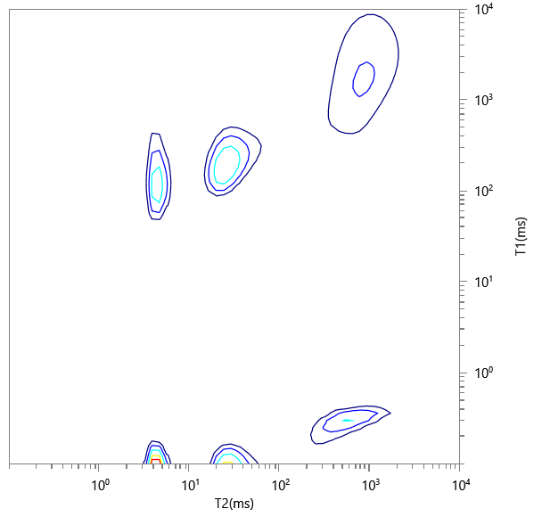
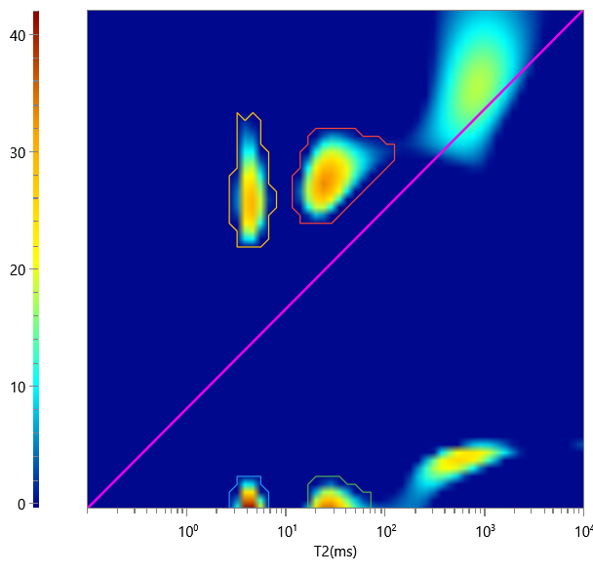
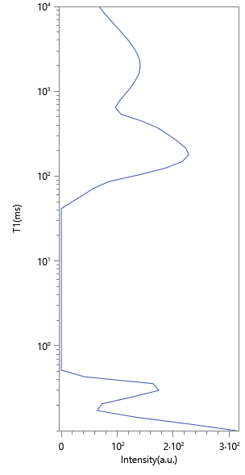
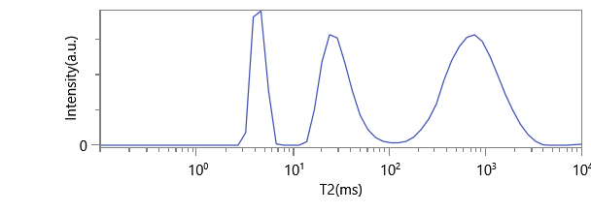
No. | ∫∫ | Content | HI | Saturation
1 | 266.386 | 0.109 | 1 | 0.109
2 | 1144.492 | 0.467 | 1 | 0.467
3 | 668.864 | 0.273 | 1 | 0.273
4 | 369.988 | 0.151 | 1 | 0.151

